Cover
GRADUATE EXIT SURVEY
Undergraduates Only

Spring 2018

Results are broken down by College.

Arts & Sciences | N=199
Business | N=307
Communication | N=187
Education | N=50
Fine Arts | N=103
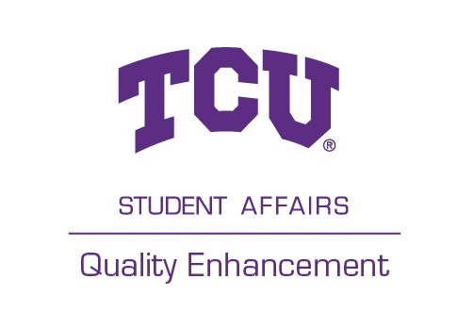
Health Sciences | N=171
Science & Engineering | N=237
Total Undergraduate | N=1254

80.24% Response Rate
95.57% Completion Rate

Survey conducted by the TCU Office of Quality Enhancement

